Wyndor
Wyndor with Overtime and Marketing Costs (Separable)

 | Unit Profit | Doors | Windows
 | Regular (0-1) | $350.00 | $633.33
 | Regular (1-2) | $300.00 | $500.00
 | Regular (2-3) | $250.00 | $366.67
 | Overtime | $100.00 | -$300.00

 |  |  |  | Hours |  | Hours
 |  | Hours Used Per Unit Produced |  | Used |  | Available
 | Plant 1 | 1 | 0 | 4 | <= | 4
 | Plant 2 | 0 | 2 | 6 | <= | 12
 | Plant 3 | 3 | 2 | 18 | <= | 18
Avg. = -300
 |  | Units Produced |  |  | Maximum
 |  | Doors | Windows |  | Doors | Windows
 | Regular (0-1) | 1 | 1 | <= | 1 | 1
 | Regular (1-2) | 1 | 1 | <= | 1 | 1
 | Regular (2-3) | 1 | 1 | <= | 1 | 1
 | Overtime | 1 | 0 | <= | 1 | 3
 | Total Produced | 4 | 3

 |  | Total Profit | $2,500

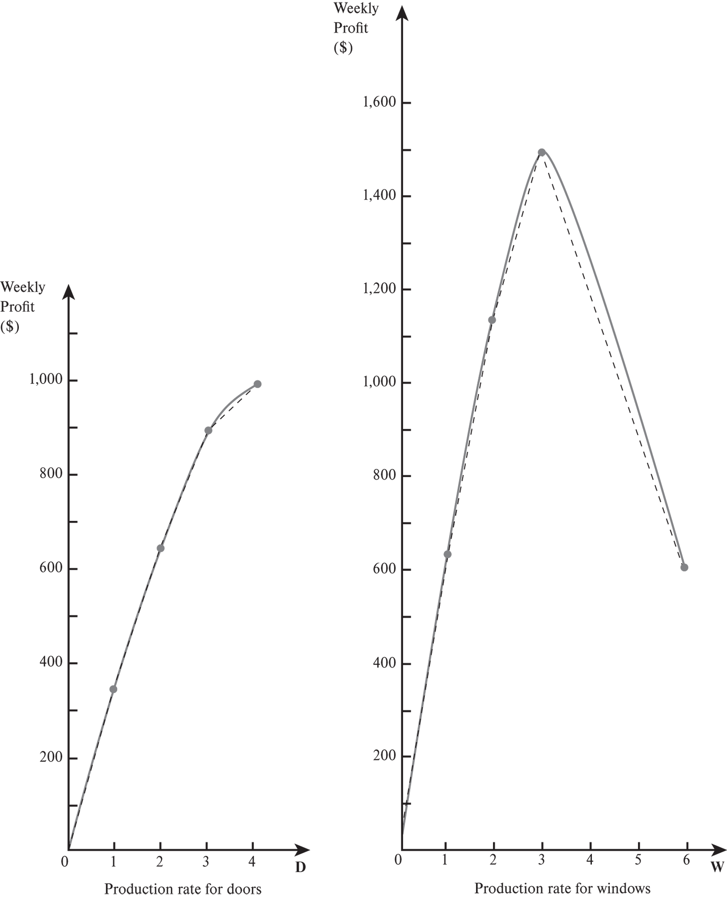

Avg. = -300
This slope of −$300 is the average of the last three incremental profits.

